Economist Graphic - The Good Ch
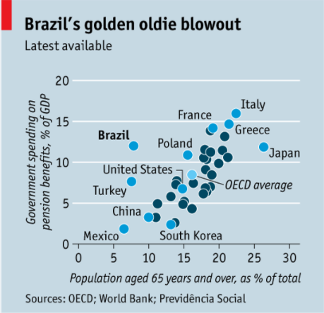
 |  | Your name | Xiaoyu Shi

 |  | For this graphic, what do you see first? | A couple of dots with light or dark blue.

 |  | Make a note of the first idea that forms in your mind and then search for more. | From the headline, I can guess the chart is telling something about Brazil's elderly people. This is a scatter plot that presents data for several countries.

 | Article: https://www.economist.com/the-americas/2017/02/25/reducing-brazils-pension-burden

 | What I like | What I dislike | What I wish I saw
 | The diagram has very clear descriptions for the x-axis and y-axis that won't make confusion to readers. Besides, the scale is well selected, the dots are evenly scattered without intensive clutters or scattered too much. | A little bit of overwhelming to readers since there're too many dots. For dark blue dots, I didn't realize these are unannoted countries but think they're categorized in another group. Also, I cannot find Brazil at the first galance. It's not easy to see the ”OECD average" with Italic font style at the first galance, either. For the headline, it's not obvious to see what's the diagram about until I read the label for y-axis, but it's hard to read (people need to twist their neck by 90°) | a more straightforward headline, less information, an emphasis for readers, highlight Brazil.

 | What are three things you'd change, and why?
 | I would change... | because....
 | color the dark blue spots into light gray | These are unreadable information to readers. The purpose of presenting them here is only to show the overall data distribution. Make them as "gray shadows" can provide such information but less dominant.
 | Add a subtitle and move the texts of y-axis label to the subtitle:"Government's spending on pension benefits". Leave "%of GDP" on y-axis. | It's not obvious about the contents of this diagram by just viewing the initial headline. To provide readers clearer and more straightforward information, add the direct words into title would be helpful. I didn't remove the original headline because the author still wants to convey literary values under the context. By doing this, it doesn't lose information from what it has, but reduces the amount of text that is vertically arranged.
 | Use a less saturated color for other countries to emphasize Brazil. Change the "OECD average" into a shaded area with low opacity. | The priority level of information: Brazil > OECD average > other countries > unannotated countries. To display information according to this priority, make their presentation from strong to weak.

References: | Berinato, S. (2016). Good charts: The HBR guide to making smarter, more persuasive data visualizations.

The Good Charts Matrix
Name of visualization | Design execution (-10 is poor, 10 is excellent) | Contextual awareness (-10 is low, 10 is high)
Economist | 2 | -4
 | As I mentioned in the critique, the chart has clear labels and correct information. Although it's hard to identify all information at the first galance, people are still able to understand the contents after reading it carefully. In all, it's a good chart but have a lot of space to improve (that's why it's under 5). | This chart didn't tell what the author want to say, because the highlights are vague and hard to distinguish. All information were presented in the graph without a clear priority. I would say it's not a good chart with regards to contextual awareness, but it's not the worst case (that's why it's higher than -5).

Contextual awareness = what am I trying to say, to whom, and where?
Design execution = How well is this chart constructed?

The Good Charts Matrix

Reference: Berinato, S. (2016). Good charts: The HBR guide to making smarter, more persuasive data visualizations.

